K2FLEXパーツ写真 (25)
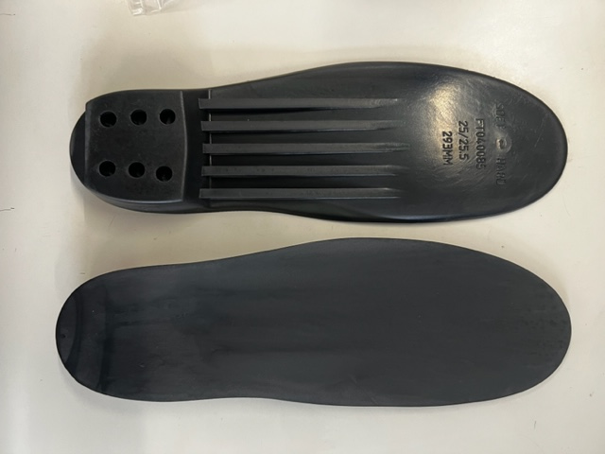
No. | 品番 | パーツ名称
 | EVOLUTION シェル専用
1 | S222011201235 | METHOD/DIVERGE BOOT BOARD SOFT 23.5
2 | S222011201245 | METHOD/DIVERGE BOOT BOARD SOFT 24.5
3 | S222011201255 | METHOD/DIVERGE BOOT BOARD SOFT 25.5
4 | S222011201265 | METHOD/DIVERGE BOOT BOARD SOFT 26.5
5 | S222011201275 | METHOD/DIVERGE BOOT BOARD SOFT 27.5
6 | S222011201285 | METHOD/DIVERGE BOOT BOARD SOFT 28.5
7 | S222011201295 | METHOD/DIVERGE BOOT BOARD SOFT 29.5
8 | S222011201305 | METHOD/DIVERGE BOOT BOARD SOFT 30.5
9 | S222011101225 | REVOLVER/REVOLVER PRO BOOT BOARD SOFT 22.5
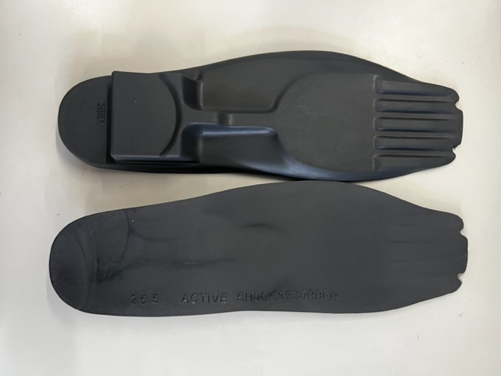
10 | S222011101235 | REVOLVER/REVOLVER PRO BOOT BOARD SOFT 23.5
11 | S222011101245 | REVOLVER/REVOLVER PRO BOOT BOARD SOFT 24.5
12 | S222011101255 | REVOLVER/REVOLVER PRO BOOT BOARD SOFT 25.5
13 | S222011101265 | REVOLVER/REVOLVER PRO BOOT BOARD SOFT 26.5
14 | S222011101275 | REVOLVER/REVOLVER PRO BOOT BOARD SOFT 27.5
15 | S222011101285 | REVOLVER/REVOLVER PRO BOOT BOARD SOFT 28.5
16 | S222011101295 | REVOLVER/REVOLVER PRO BOOT BOARD SOFT 29.5
17 | S222011101305 | REVOLVER/REVOLVER PRO BOOT BOARD SOFT 30.5
18 | S222011101315 | REVOLVER/REVOLVER PRO BOOT BOARD SOFT 31.5
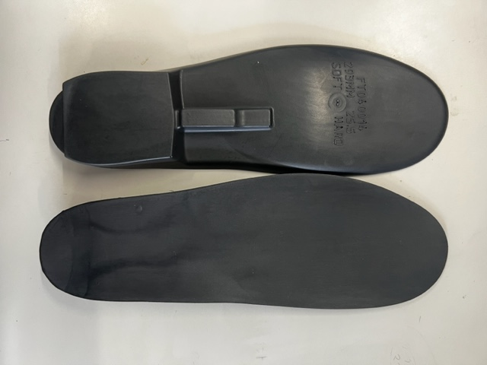
19 | S222011001235 | REVOLVER TEAM BOOT BOARD SOFT 23.5
20 | S222011001245 | REVOLVER TEAM BOOT BOARD SOFT 24.5
21 | S222011001255 | REVOLVER TEAM BOOT BOARD SOFT 25.5
22 | S222011001265 | REVOLVER TEAM BOOT BOARD SOFT 26.5
23 | S222011001275 | REVOLVER TEAM BOOT BOARD SOFT 27.5
24 | S222011001285 | REVOLVER TEAM BOOT BOARD SOFT 28.5
25 | S222011001295 | REVOLVER TEAM BOOT BOARD SOFT 29.5
26 | S222011001305 | REVOLVER TEAM BOOT BOARD SOFT 30.5
27 | S2220051010 | DIVERGE TOP/MIDDLE BUCKLE BLACK 1SZ | 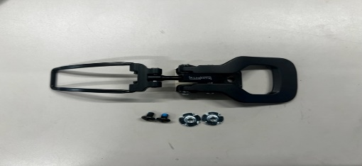
28 | J2002009010 | F20 FTE Ascendant Lower Buckle Kit |  | 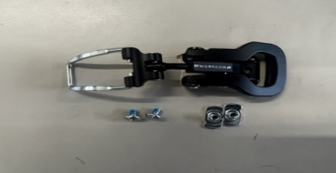 | ※FTロゴ付き
29 | S2220055010 | DIVERGE TOP/MIDDLE BUCKLE RACK BLACK 1SZ |  | 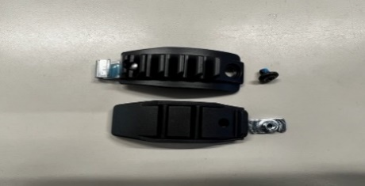
30 | S2220049010 | METHOD TOP/MIDDLE BUCKLE BLACK 1SZ | 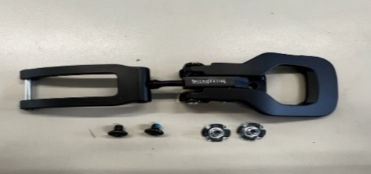
31 | S2220050010 | METHOD LOWER BUCKLE BLACK 1SZ | 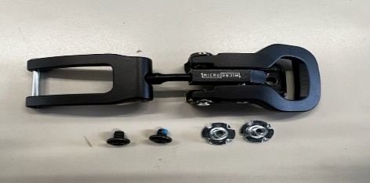
32 | S2220053010 | METHOD TOP/MIDDLE BUCKLE RACK BLACK 1SZ | 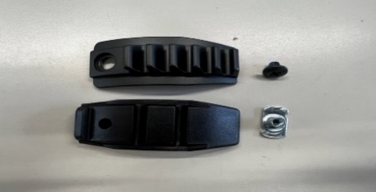
33 | S2220054010 | METHOD/DIVERGE LOWER BUCKLE RACK BLACK 1SZ | 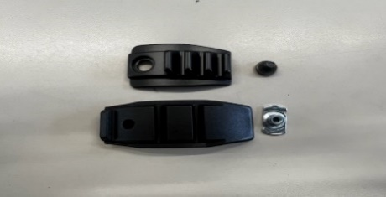
34 | S2220046010 | REVOLVER TOP BUCKLE BLACK 1SZ | 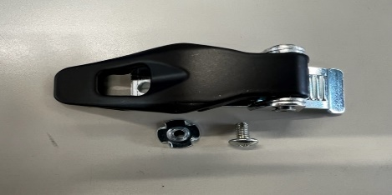
35 | S2220047010 | REVOLVER MIDDLE BUCKLE BLACK 1SZ | 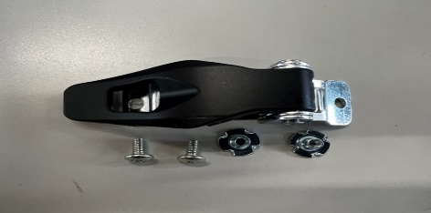
36 | S2220113010 | REVOLVER LOWER BUCKLE LEFT BLACK 1SZ | 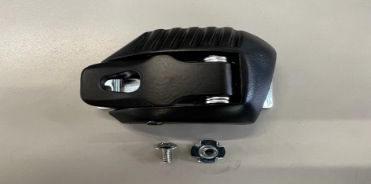
37 | S2220114010 | REVOLVER LOWER BUCKLE RIGHT BLACK 1SZ | 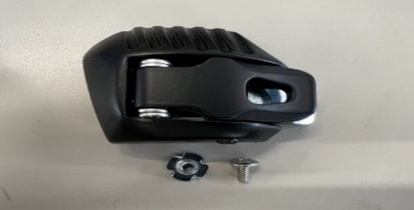
38 | S2220042010 | METHOD/DIVERGE TOE STRAP (SML 23.5-27.5) BLACK | 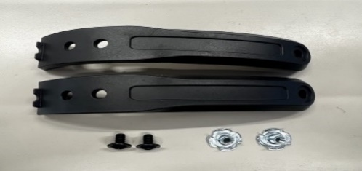
39 | S2220043010 | METHOD/DIVERGE TOE STRAP (LRG 28.5-30.5) BLACK | 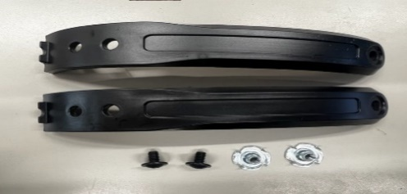
40 | S2220045010 | METHOD/DIVERGE MIDDLE CABLE ANCHOR KIT BLACK 1SZ |  | 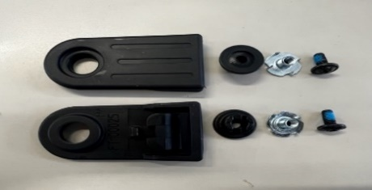
41 | S2220044010 | UPPER CABLE INSERT BLACK 1SZ |  | 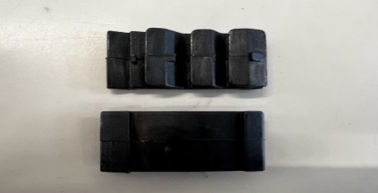
42 | S2220029010 | METHOD/DIVERGE TOP/MIDDLE CABLE (90MM) BLACK
43 | S2220030010 | METHOD/DIVERGE TOP/MIDDLE CABLE (100MM) BLACK
44 | S2220031010 | METHOD/DIVERGE TOP/MIDDLE CABLE (110MM) BLACK
45 | S2220032010 | METHOD/DIVERGE TOP/MIDDLE CABLE (120MM) BLACK
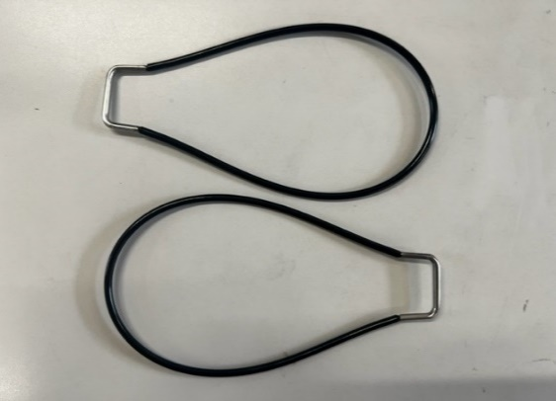
46 | S2220033010 | METHOD/DIVERGE TOP/MIDDLE CABLE (130MM) BLACK
47 | S2220034010 | METHOD/DIVERGE TOP/MIDDLE CABLE (140MM) BLACK
48 | S2220035010 | METHOD/DIVERGE TOP/MIDDLE CABLE (150MM) BLACK
49 | S2220036010 | METHOD/DIVERGE TOP/MIDDLE CABLE (160MM) BLACK
50 | S2220037010 | METHOD/DIVERGE TOP/MIDDLE CABLE (170MM) BLACK
51 | S2220038010 | METHOD/DIVERGE TOP/MIDDLE CABLE (180MM) BLACK
52 | S2220039010 | METHOD/DIVERGE TOP/MIDDLE CABLE (190MM) BLACK
53 | S2220040010 | METHOD/DIVERGE TOP/MIDDLE CABLE (200MM) BLACK
54 | S2220041010 | METHOD/DIVERGE TOP/MIDDLE CABLE (210MM) BLACK
55 | S2220015010 | REVOLVER LOWER CABLE (330MM) BLACK
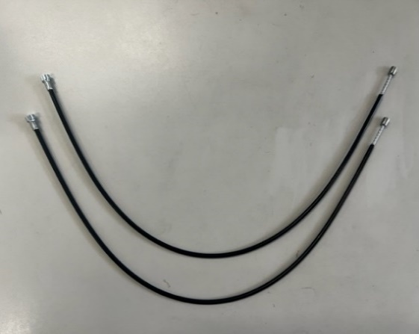
56 | S2220016010 | REVOLVER LOWER CABLE (340MM) BLACK
57 | S2220017010 | REVOLVER LOWER CABLE (350MM) BLACK
58 | S2220018010 | REVOLVER LOWER CABLE (355MM) BLACK
59 | S2220019010 | REVOLVER LOWER CABLE (365MM) BLACK
60 | S2220020010 | REVOLVER LOWER CABLE (375MM) BLACK
61 | S2220021010 | REVOLVER LOWER CABLE (385MM) BLACK
62 | S2220022010 | REVOLVER TOP/MIDDLE CABLE (225MM) BLACK
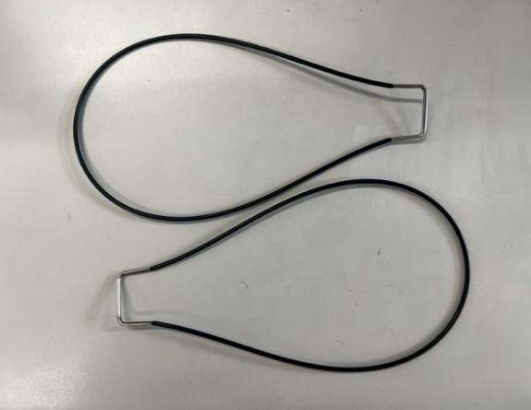
63 | S2220023010 | REVOLVER TOP/MIDDLE CABLE (235MM) BLACK
64 | S2220024010 | REVOLVER TOP/MIDDLE CABLE (245MM) BLACK
65 | S2220025010 | REVOLVER TOP/MIDDLE CABLE (255MM) BLACK
66 | S2220026010 | REVOLVER TOP/MIDDLE CABLE (265MM) BLACK
67 | S2220027010 | REVOLVER TOP/MIDDLE CABLE (275MM) BLACK
68 | S2220028010 | REVOLVER TOP/MIDDLE CABLE (285MM) BLACK
69 | S2220063010 | DIVERGE INSIDE CUFF MOUNT KIT BLACK 1SZ |  | 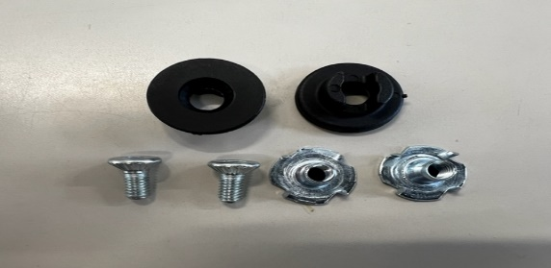
70 | S2220061010 | REVOLVER INSIDE CUFF ADJUSTMENT KIT BLACK 1SZ | 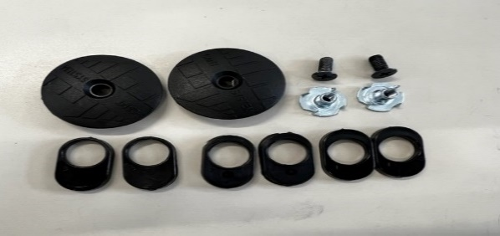
71 | S2220062010 | REVOLVER OUTSIDE CUFF MOUNT KIT BLACK 1SZ | 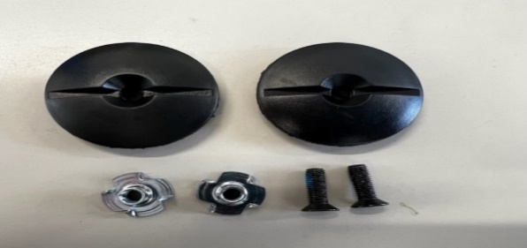
72 | S2220059010 | METHOD FORWARD LEAN KIT BLACK | 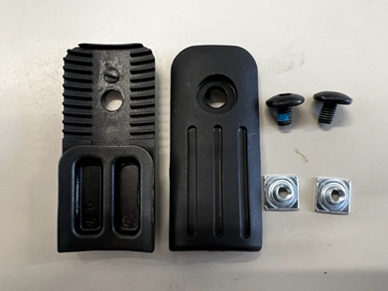
73 | S2220057010 | REVOLVER 2MM FORWARD LEAN INSERT BLACK | 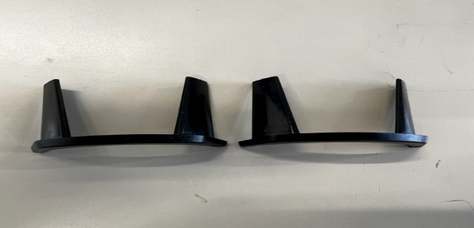
74 | S2220058010 | REVOLVER 4MM FORWARD LEAN INSERT BLACK | 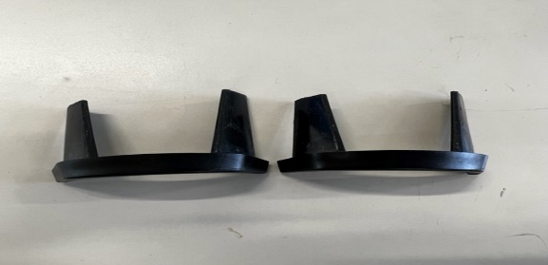
75 | S2220060010 | DIVERGE WALK MECHANISM KIT BLACK | 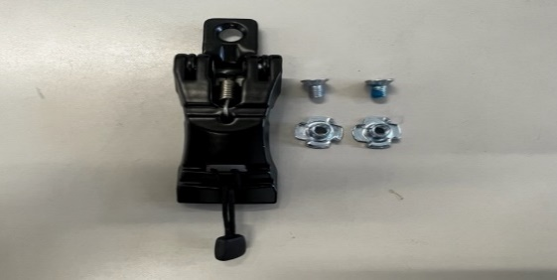
76 | S2220073010 | DIVERGE GRIPWALK OUTSOLES (SML 23.5-25.5) BLACK | 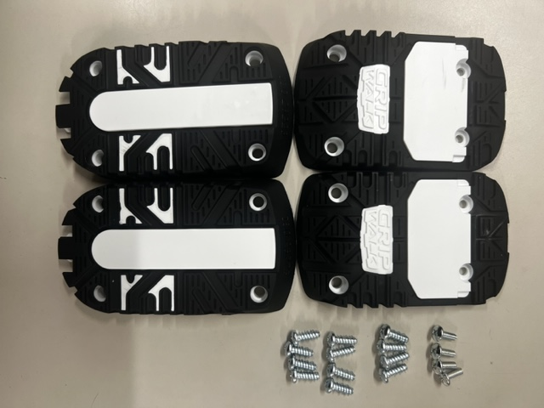
77 | S2220074010 | DIVERGE GRIPWALK OUTSOLES (LRG 26.5-30.5) BLACK
78 | S2220075010 | DIVERGE 5355 OUTSOLES (SML 23.5-25.5) BLACK | 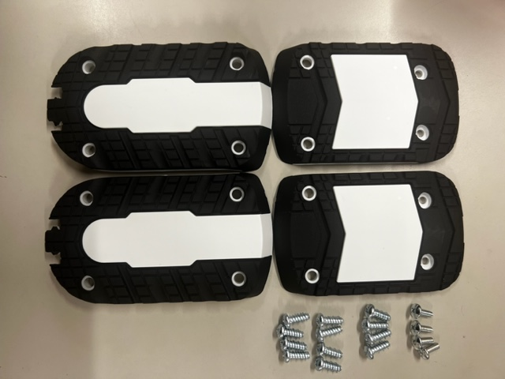
79 | S2220076010 | DIVERGE 5355 OUTSOLES (LRG 26.5-30.5) BLACK
80 | S2220077010 | DIVERGE MICHELIN OUTSOLES (SML 23.5-25.5) BLACK | 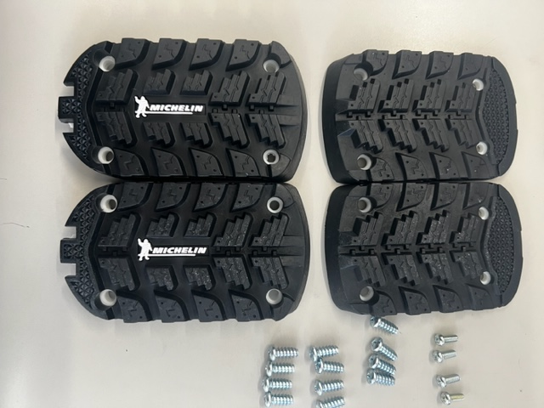
81 | S2220078010 | DIVERGE MICHELIN OUTSOLES (LRG 26.5-30.5) BLACK
82 | S2220069010 | METHOD GRIPWALK OUTSOLES (SML 23.5-25.5) BLACK | 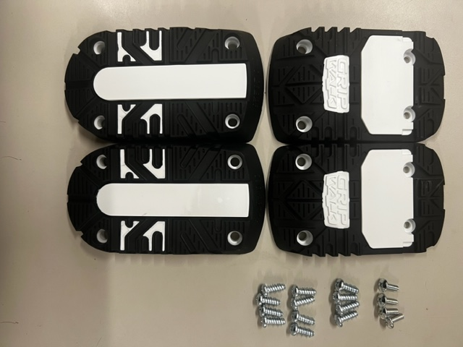
83 | S2220070010 | METHOD GRIPWALK OUTSOLES (LRG 26.5-30.5) BLACK
84 | S2220071010 | METHOD 5355 OUTSOLES (SML 23.5-25.5) BLACK | 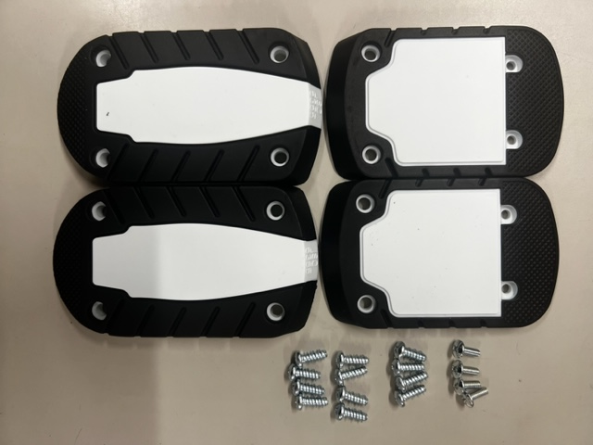
85 | S2220072010 | METHOD 5355 OUTSOLES (LRG 26.5-30.5) BLACK
86 | S2220068010 | REVOLVER HEEL PUCK BLACK 1SZ | 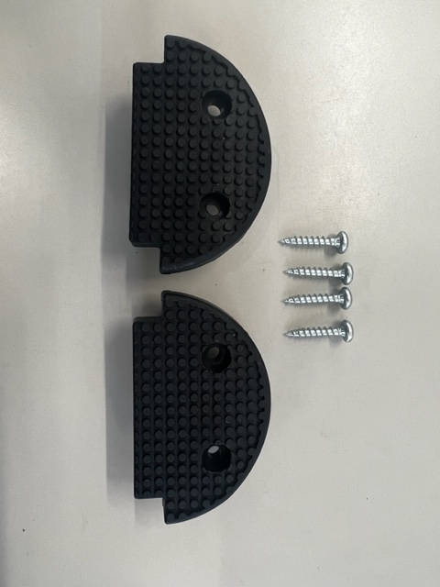
87 | S2220064010 | REVOLVER TEAM GRIPWALK OUTSOLES (SML 23.5-24.5) BLACK | 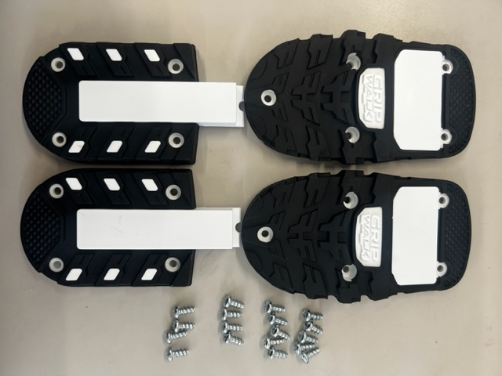
88 | S2220065010 | REVOLVER TEAM GRIPWALK OUTSOLES (LRG 25.5-30.5) BLACK
89 | S2220066010 | REVOLVER TEAM 5355 OUTSOLES (SML 23.5-24.5) BLACK | 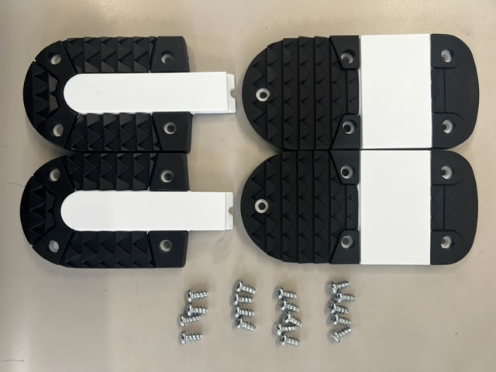
90 | S2220067010 | REVOLVER TEAM 5355 OUTSOLES (LRG 25.5-30.5) BLACK
91 | S2220117010 | METHOD/DIVERGE CAM BUCKLE POWERSTRAP SML (22.5-27.5) |  | 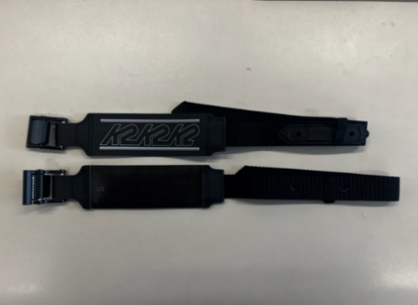
92 | S2220118010 | METHOD/DIVERGE CAM BUCKLE POWERSTRAP LRG (27.5-30.5) |  |  | 取付穴2か所
93 | S2220115010 | REVOLVER CAM BUCKLE POWERSTRAP SML (23.5-27.5) |  | 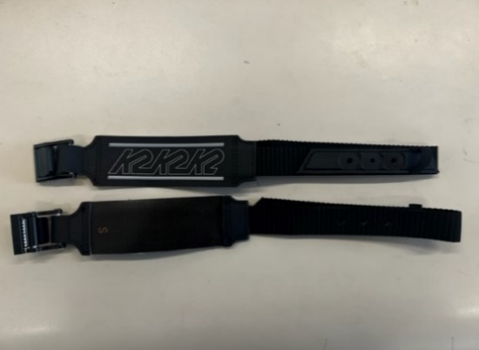
94 | S2220116010 | REVOLVER CAM BUCKLE POWERSTRAP LRG (28.5-31.5) |  |  | 取付穴3か所
95 | S2320001010 | REVOLVER/METHOD/DIVERGE ADJUSTABLE REAR SPOILER 1SZ | 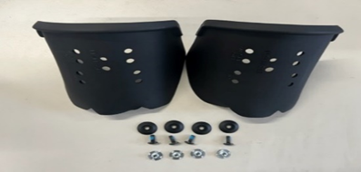
96 | J095513090 | FT Alum Lower Cable Anchor Kit |  | 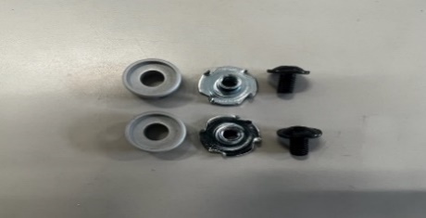
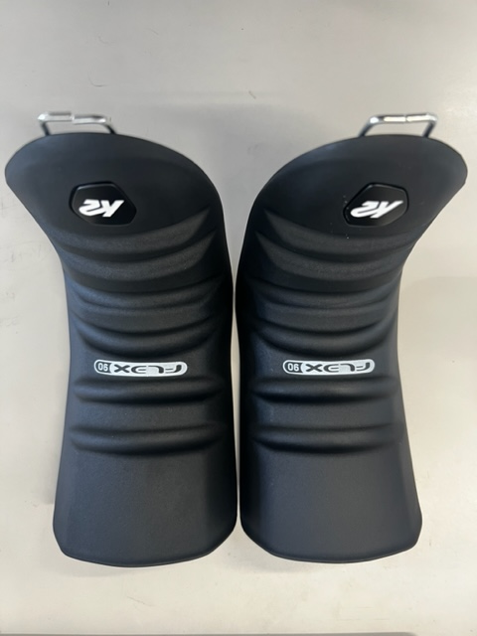
97 | KS252062001 | METHOD/DIVERGE TONGUE FLEX 130 BLACK 23.5 XS
98 | KS252062002 | METHOD/DIVERGE TONGUE FLEX 130 BLACK 24.5-25.5 S
99 | KS252062003 | METHOD/DIVERGE TONGUE FLEX 130 BLACK 26.5-27.5 M
100 | KS252062004 | METHOD/DIVERGE TONGUE FLEX 130 BLACK 28.5-29.5 L
101 | KS252062005 | METHOD/DIVERGE TONGUE FLEX 130 BLACK 30.5 XL
102 | KS252063001 | METHOD/DIVERGE TONGUE FLEX 120 BLACK 23.5 XS
103 | KS252063002 | METHOD/DIVERGE TONGUE FLEX 120 BLACK 24.5-25.5 S
104 | KS252063003 | METHOD/DIVERGE TONGUE FLEX 120 BLACK 26.5-27.5 M
105 | KS252063004 | METHOD/DIVERGE TONGUE FLEX 120 BLACK 28.5-29.5 L
106 | KS252063005 | METHOD/DIVERGE TONGUE FLEX 120 BLACK 30.5 XL
107 | KS252064001 | METHOD/DIVERGE TONGUE FLEX 110 BLACK 23.5 XS
108 | KS252064002 | METHOD/DIVERGE TONGUE FLEX 110 BLACK 24.5-25.5 S
109 | KS252064003 | METHOD/DIVERGE TONGUE FLEX 110 BLACK 26.5-27.5 M
110 | KS252064004 | METHOD/DIVERGE TONGUE FLEX 110 BLACK 28.5-29.5 L
111 | KS252064005 | METHOD/DIVERGE TONGUE FLEX 110 BLACK 30.5 XL
112 | KS252065001 | METHOD/DIVERGE TONGUE FLEX 100 BLACK 23.5 XS
113 | KS252065002 | METHOD/DIVERGE TONGUE FLEX 100 BLACK 24.5-25.5 S
114 | KS252065003 | METHOD/DIVERGE TONGUE FLEX 100 BLACK 26.5-27.5 M
115 | KS252065004 | METHOD/DIVERGE TONGUE FLEX 100 BLACK 28.5-29.5 L
116 | KS252065005 | METHOD/DIVERGE TONGUE FLEX 100 BLACK 30.5 XL
117 | KS252066001 | METHOD/DIVERGE TONGUE FLEX 90 BLACK 23.5 XS
118 | KS252066002 | METHOD/DIVERGE TONGUE FLEX 90 BLACK 24.5-25.5 S
119 | KS252066003 | METHOD/DIVERGE TONGUE FLEX 90 BLACK 26.5-27.5 M
120 | KS252066004 | METHOD/DIVERGE TONGUE FLEX 90 BLACK 28.5-29.5 L
121 | KS252066005 | METHOD/DIVERGE TONGUE FLEX 90 BLACK 30.5 XL
122 | KS252067001 | METHOD/DIVERGE TONGUE FLEX 70 BLACK 23.5 XS
123 | KS252067002 | METHOD/DIVERGE TONGUE FLEX 70 BLACK 24.5-25.5 S
124 | KS252067003 | METHOD/DIVERGE TONGUE FLEX 70 BLACK 26.5-27.5 M
125 | KS252067004 | METHOD/DIVERGE TONGUE FLEX 70 BLACK 28.5-29.5 L
126 | KS252067005 | METHOD/DIVERGE TONGUE FLEX 70 BLACK 30.5 XL
127 | KS252056001 | REVOLVER TONGUE FLEX 130 BLACK 22-25.5 S
128 | KS252056002 | REVOLVER TONGUE FLEX 130 BLACK 26-27.5 M
129 | KS252056003 | REVOLVER TONGUE FLEX 130 BLACK 28-29.5 L
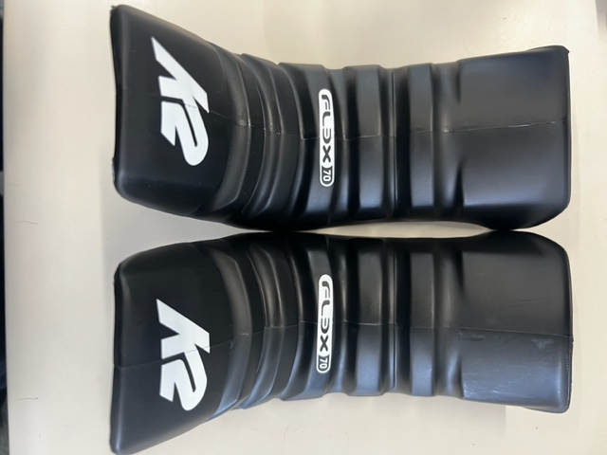
130 | KS252056004 | REVOLVER TONGUE FLEX 130 BLACK 30-31.5 XL
131 | KS252057001 | REVOLVER TONGUE FLEX 120 BLACK 22-25.5 S
132 | KS252057002 | REVOLVER TONGUE FLEX 120 BLACK 26-27.5 M
133 | KS252057003 | REVOLVER TONGUE FLEX 120 BLACK 28-29.5 L
134 | KS252057004 | REVOLVER TONGUE FLEX 120 BLACK 30-31.5 XL
135 | KS252058001 | REVOLVER TONGUE FLEX 110 BLACK 22-25.5 S
136 | KS252058002 | REVOLVER TONGUE FLEX 110 BLACK 26-27.5 M
137 | KS252058003 | REVOLVER TONGUE FLEX 110 BLACK 28-29.5 L
138 | KS252058004 | REVOLVER TONGUE FLEX 110 BLACK 30-31.5 XL
139 | KS252059001 | REVOLVER TONGUE FLEX 100 BLACK 22-25.5 S
140 | KS252059002 | REVOLVER TONGUE FLEX 100 BLACK 26-27.5 M
141 | KS252059003 | REVOLVER TONGUE FLEX 100 BLACK 28-29.5 L
142 | KS252059004 | REVOLVER TONGUE FLEX 100 BLACK 30-31.5 XL
143 | KS252060001 | REVOLVER TONGUE FLEX 90 BLACK 22-25.5 S
144 | KS252060002 | REVOLVER TONGUE FLEX 90 BLACK 26-27.5 M
145 | KS252060003 | REVOLVER TONGUE FLEX 90 BLACK 28-29.5 L
146 | KS252060004 | REVOLVER TONGUE FLEX 90 BLACK 30-31.5 XL
147 | KS252061001 | REVOLVER TONGUE FLEX 70 BLACK 22-25.5 S
148 | KS252061002 | REVOLVER TONGUE FLEX 70 BLACK 26-27.5 M
149 | KS252061003 | REVOLVER TONGUE FLEX 70 BLACK 28-29.5 L
150 | KS252061004 | REVOLVER TONGUE FLEX 70 BLACK 30-31.5 XL

2526モデル一覧
